Rhodium 2021 analysis
https://rhg.com/research/preliminary-us-emissions-2021/
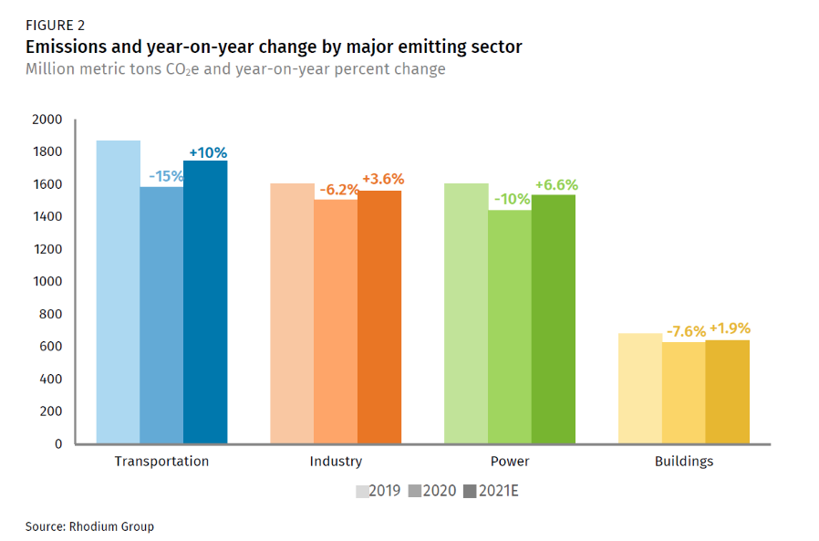

Transportation | 0.1
Electricity generation | 0.066
Industry aggregate | 0.036
Buildings | 0.019

US GHGs 2020
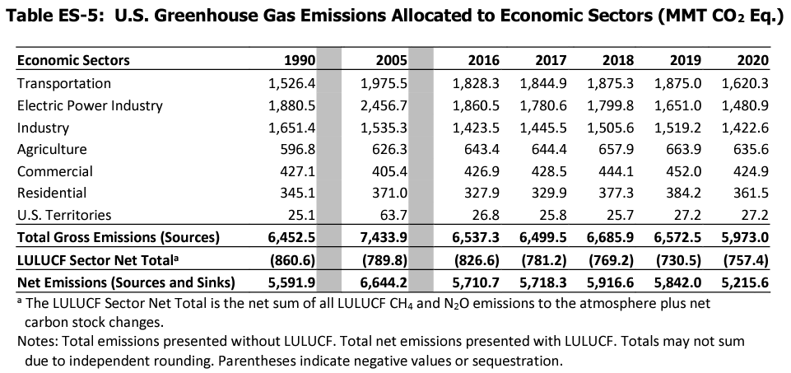
 | 2019 | 2020
Transpo | 1875 | 1620 | -13.6%
Power | 1651 | 1480 | -10.4%
Industry | 1519 | 1423 | -6.3%
Ag | 664 | 636 | -4.2%
Commercial Bldgs | 452 | 425 | -6.0%
Residential Bldgs | 384 | 362 | -5.7%
exclude territories

2021 VMT
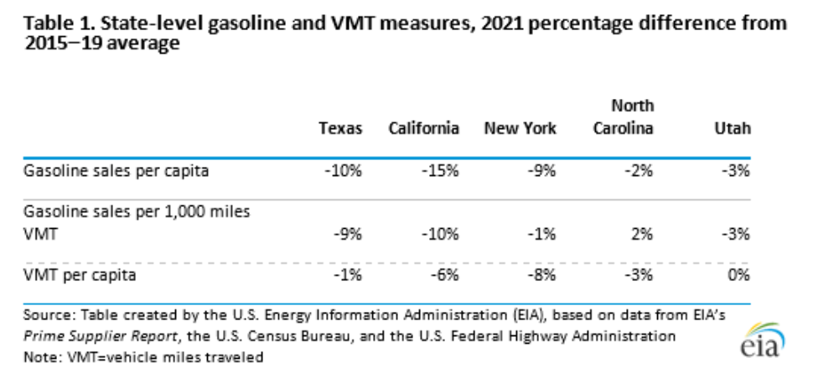
https://www.eia.gov/petroleum/weekly/archive/2022/220406/includes/analysis_print.php?stream=top

Current CA inventory (Fig 14)
California Air Resources Board
Data used to generate figures in the California Greenhouse Gas Emissions for 2000 to 2018- Trends of Emissions and Other Indicators report

Figure 14: Emissions from Residential and Commercial Sectors
Parameter | Unit | 2000 | 2001 | 2002 | 2003 | 2004 | 2005 | 2006 | 2007 | 2008 | 2009 | 2010 | 2011 | 2012 | 2013 | 2014 | 2015 | 2016 | 2017 | 2018
Residential Emissions | MMT CO2e | 30.2 | 29.2 | 29.4 | 28.9 | 30.0 | 28.8 | 29.2 | 29.3 | 29.7 | 29.3 | 30.1 | 30.5 | 28.2 | 29.0 | 23.8 | 24.2 | 25.3 | 26.0 | 25.7
Heating Degree Days | Heating Degree Days | 2832 | 2965 | 2946 | 2833 | 2842 | 2815 | 3014 | 2876 | 2861 | 2879 | 3086 | 3182 | 2741 | 2707 | 2091 | 2342 | 2438 | 2442 | 2281
Commercial Emissions | MMT CO2e | 13.8 | 13.6 | 15.4 | 14.4 | 14.6 | 14.3 | 14.6 | 14.6 | 14.7 | 15.2 | 15.9 | 15.5 | 15.3 | 15.2 | 14.4 | 14.6 | 15.4 | 15.3 | 15.6

Sources:
California Air Resources Board (2020). California Greenhouse Gas Emission Inventory - 2020 Edition. Data available at: https://ww3.arb.ca.gov/cc/inventory/data/data.htm
National Oceanic and Atmospheric Administration (2020). Heating and Cooling Degree Days. Available at: ftp://ftp.cpc.ncep.noaa.gov/htdocs/products/analysis_monitoring/cdus/degree_days/archives/Heating%20degree%20Days/monthly%20states/

10 year trend in residential buildings
 |  |  |  |  | Residential trend implies 2019 |  |  | 23.503

RHG industry breakdown
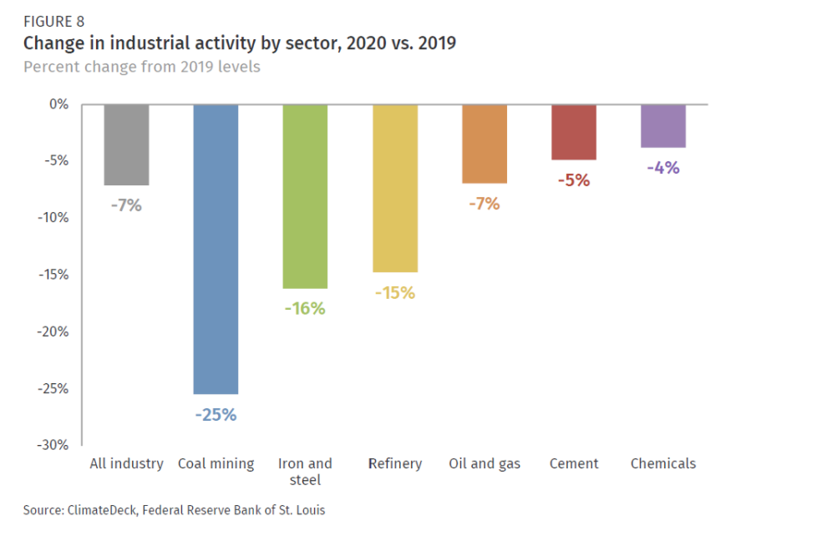
https://rhg.com/research/preliminary-us-emissions-2020/

MRR based 2019 estimate of CA
Mandatory Reporting Regulation
 | 2019 inventory estimated | 2019 % estimated | MRR total covered emissions |  | MRR data - year over year change | Inventory data - year over year change | difference
2019 | 418.8 | -1.55% | 311192372.29 |  | -2.72%
2018 |  |  | 319882512.5 | 425.4 | -0.22% | 0.24% | 0.45% | opposite sign noted
2017 |  |  | 320583400.53 | 424.4 | -1.07% | -1.14% | -0.07%
2016 |  |  | 324,065,927 | 429 | -4.81% | -2.59% | 2.22%
2015 |  |  | 340426790.69 | 440.7 | -0.73% | -0.61% | 0.13%
2014 |  |  | 342944391.56 | 443.4 | -1.59% | -0.96% | 0.63%
2013 |  |  | 348502683.44 |  | -1.95% | -0.89% | 1.06%
2012 |  |  | 355,417,514

MRR-Inventory % change y-o-y (univariate relationship)

